Example_simple
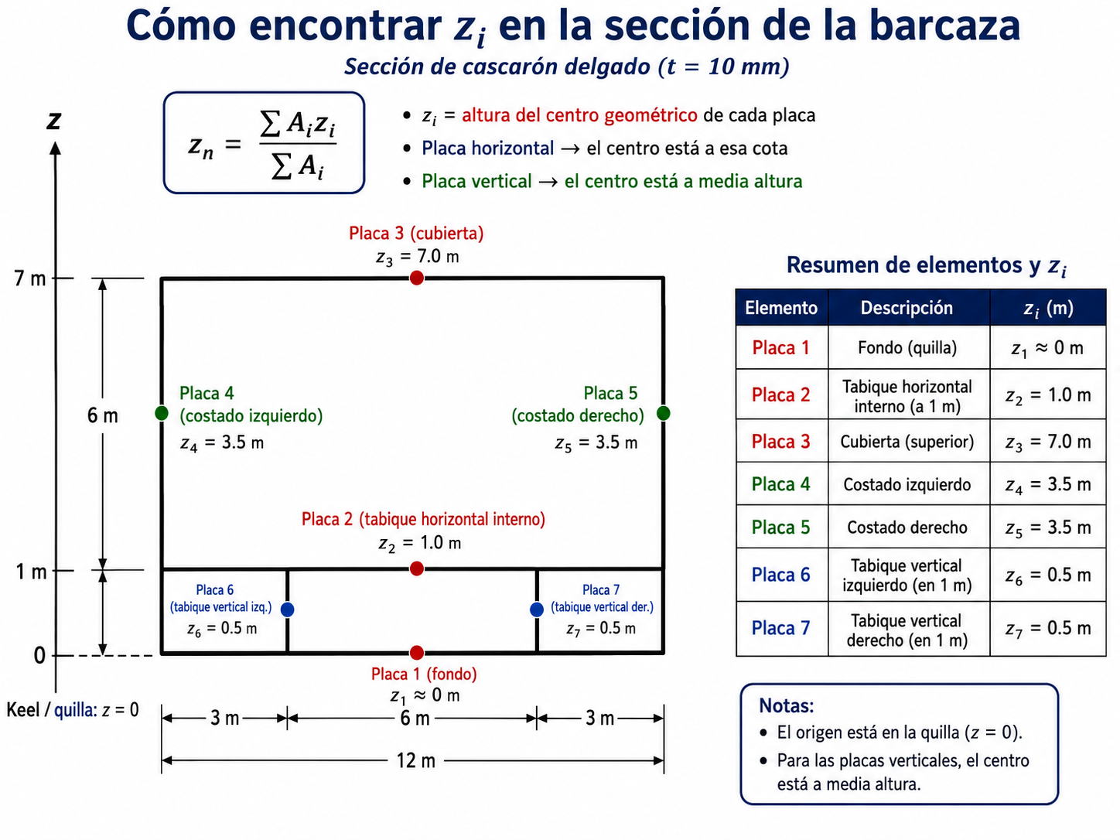
Example_simple

Inputs |  |  |  | Results |  |  | How to use this sheet
Default thickness t (mm) | 10.0 |  |  | Σ A_i | 0.520 |  | 1. Enter one plate per row.
Units | z measured from keel / bottom |  |  | Σ A_i z_i | 1.460 |  | 2. Put l_i in D, z_start in E, z_end in F. For horizontal plates, use z_start = z_end.
 |  |  |  | Neutral axis z_n | 2.808 |  | 3. Leave G blank if thickness is constant. Fill column G only when a plate has a different thickness.
Core formulas
z_i | '(z_start+z_end)/2 |  |  |  |  |  | Expected result
A_i | 'l_i * t_i |  |  |  |  |  | For the simple example, z_n ≈ 2.808 m.
z_n | '(Σ A_i z_i)/(Σ A_i) |  |  |  |  |  | Try changing one thickness in G to see how z_n moves.

Plate # | Description | Type | l_i (m) | z_start (m) | z_end (m) | t_i override (mm) | t_used (m) | z_i (m) | A_i (m^2) | A_i z_i (m^3) | Comment
1 | Bottom plate | Horizontal | 12.000 | 0.000 | 0.000 |  | 0.010 | 0.000 | 0.120 | 0.000 | Placa 1
2 | Inner horizontal plate | Horizontal | 12.000 | 1.000 | 1.000 |  | 0.010 | 1.000 | 0.120 | 0.120 | Placa 2
3 | Top deck | Horizontal | 12.000 | 7.000 | 7.000 |  | 0.010 | 7.000 | 0.120 | 0.840 | Placa 3
4 | Left side shell | Vertical | 7.000 | 0.000 | 7.000 |  | 0.010 | 3.500 | 0.070 | 0.245 | Placa 4
5 | Right side shell | Vertical | 7.000 | 0.000 | 7.000 |  | 0.010 | 3.500 | 0.070 | 0.245 | Placa 5
6 | Left lower bulkhead | Vertical | 1.000 | 0.000 | 1.000 |  | 0.010 | 0.500 | 0.010 | 0.005 | Placa 6
7 | Right lower bulkhead | Vertical | 1.000 | 0.000 | 1.000 |  | 0.010 | 0.500 | 0.010 | 0.005 | Placa 7
8
9
10
11
12
13
14
15
16
17
18
19
20
21
22
23
24

Example_complicated
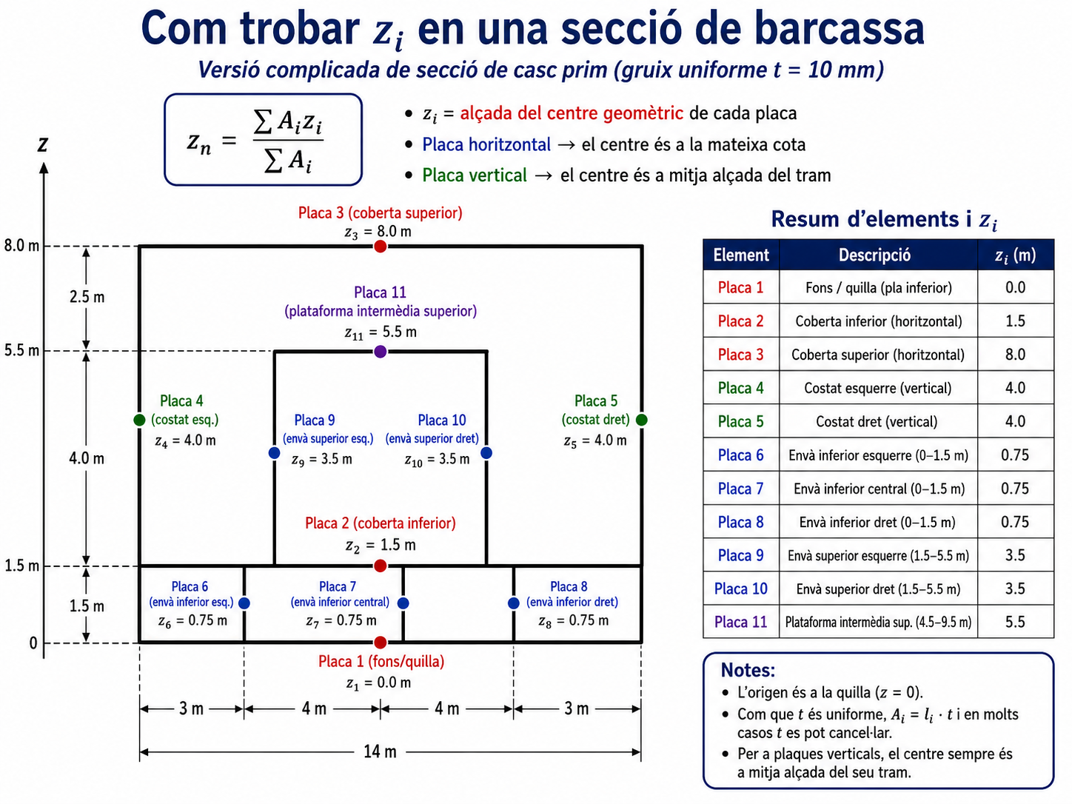
Example_complicated

Inputs |  |  |  | Results |  |  | How to use this sheet
Default thickness t (mm) | 10.0 |  |  | Σ A_i | 0.755 |  | 1. Enter one plate per row.
Units | z measured from keel / bottom |  |  | Σ A_i z_i | 2.559 |  | 2. Put l_i in D, z_start in E, z_end in F. For horizontal plates, use z_start = z_end.
 |  |  |  | Neutral axis z_n | 3.389 |  | 3. Leave G blank if thickness is constant. Fill column G only when a plate has a different thickness.
Core formulas
z_i | '(z_start+z_end)/2 |  |  |  |  |  | Expected result
A_i | 'l_i * t_i |  |  |  |  |  | For the complicated example, z_n is calculated automatically from the 11 plates.
z_n | '(Σ A_i z_i)/(Σ A_i) |  |  |  |  |  | Use this sheet as a template for more complex exam drawings.

Plate # | Description | Type | l_i (m) | z_start (m) | z_end (m) | t_i override (mm) | t_used (m) | z_i (m) | A_i (m^2) | A_i z_i (m^3) | Comment
1 | Bottom plate | Horizontal | 14.000 | 0.000 | 0.000 |  | 0.010 | 0.000 | 0.140 | 0.000 | Placa 1
2 | Lower deck | Horizontal | 14.000 | 1.500 | 1.500 |  | 0.010 | 1.500 | 0.140 | 0.210 | Placa 2
3 | Top deck | Horizontal | 14.000 | 8.000 | 8.000 |  | 0.010 | 8.000 | 0.140 | 1.120 | Placa 3
4 | Left side shell | Vertical | 8.000 | 0.000 | 8.000 |  | 0.010 | 4.000 | 0.080 | 0.320 | Placa 4
5 | Right side shell | Vertical | 8.000 | 0.000 | 8.000 |  | 0.010 | 4.000 | 0.080 | 0.320 | Placa 5
6 | Left lower bulkhead | Vertical | 1.500 | 0.000 | 1.500 |  | 0.010 | 0.750 | 0.015 | 0.011 | Placa 6
7 | Center lower bulkhead | Vertical | 1.500 | 0.000 | 1.500 |  | 0.010 | 0.750 | 0.015 | 0.011 | Placa 7
8 | Right lower bulkhead | Vertical | 1.500 | 0.000 | 1.500 |  | 0.010 | 0.750 | 0.015 | 0.011 | Placa 8
9 | Left upper bulkhead | Vertical | 4.000 | 1.500 | 5.500 |  | 0.010 | 3.500 | 0.040 | 0.140 | Placa 9
10 | Right upper bulkhead | Vertical | 4.000 | 1.500 | 5.500 |  | 0.010 | 3.500 | 0.040 | 0.140 | Placa 10
11 | Intermediate platform | Horizontal | 5.000 | 5.500 | 5.500 |  | 0.010 | 5.500 | 0.050 | 0.275 | Placa 11
12
13
14
15
16
17
18
19
20
21
22
23
24

